BO 3 - WBS step 1 the chart
Step 1 to make your WBS - Here in Excel

Here is the example from our Lesson

Sub Assemblies |  | Blue Collar Activities |  |  |  | White Collar Activities
Item | Quantity | Part Number | Work Process Description | Name | Material | Purchase | Create in Onshape | Design Thinking | Project Manage
1 | 1 | MTRP-001 | cut, form, strip | wood base | Balsa | x | x | x | x
2 | 1 | MTRP-002 | cut, form | guillotine wire | Copper | x | x | x | x
3 | 1 | MTRP-003 | wind from reel, bend | spring load | Steel 1020 | x | x | x | x
4 | 3 | MTRP-004 | cut, form | spring staple bearing | Copper | x | x | x | x
5 | 1 | MTRP-005 | cut, punch, form, bend | trigger | Copper | x | x | x | x
6 | 1 | MTRP-006 | cut, form | trigger staple bearing | Copper | x | x | x | x
7 | 1 | MTRP-007 | cut, form | trip wire | Copper | x | x | x | x

And Here is a blank version of the table that you can apply as a first step in creating work packages for your Winter Project. Expand the number of lines if necessary.

Sub Assemblies |  | Blue Collar Activities |  |  |  | White Collar Activities
Item | Quantity | Part Number | Work Process Description | Name | Material | Purchase | Create in Onshape | Design Thinking | Project Manage

 |  | You can just
 |  | invent these.
Step 2 to make your WBS - On your Miro board

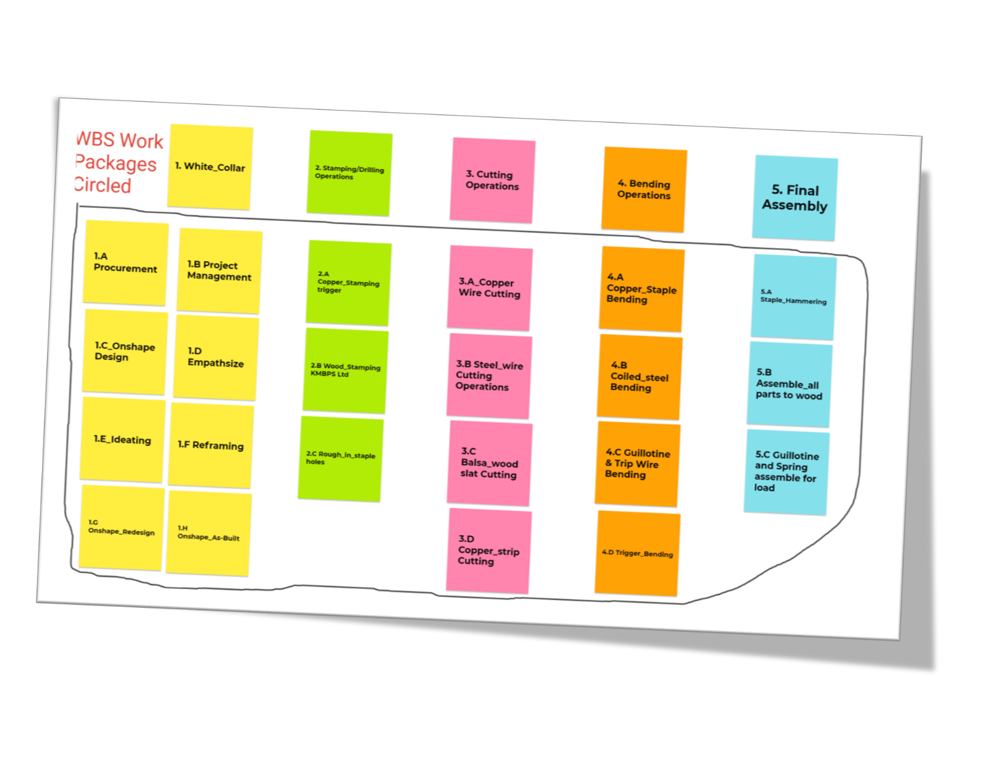

In this 2nd and final step, you will transfer what you have created in your table above onto sticky notes in Miro that you will arrange under logical headings of your choice to group the work.

BO 5 - The Timeline
Here is the example from your class Workshop Lesson

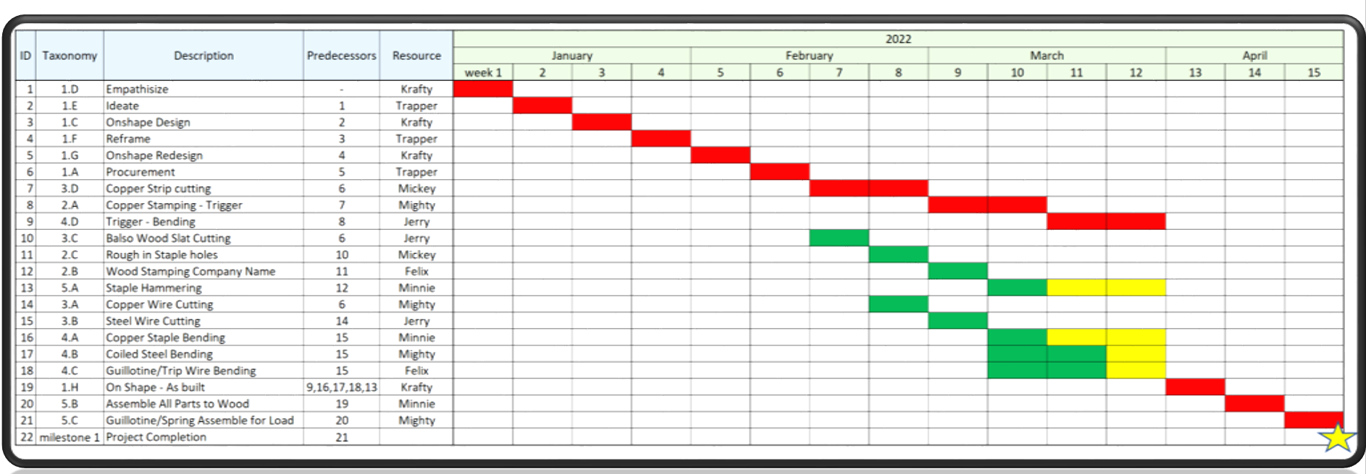

And here is a template you can apply to make a timeline for your winter project
 |  |  |  |  | 2022
ID | Taxonomy | Description | Responsibility | Completion | Empathize and Reframe |  |  | Reframe and Ideate |  | Prototype and Feedback |  |  |  |  |  | Hand-over/close | Debrief
 |  |  |  |  | January |  |  |  | February |  |  |  | March |  |  |  | April
 |  |  |  |  | Week 11 | 12 | 13 | 14 | 15 | 16 | Reading Week | 18 | 19 | 20 | 21 | 22 | Final Week | / | / | Legend
1 | A-1 | Initial Empathize | Everyone | ✔️ |  |  |  |  |  |  |  |  |  |  |  |  |  |  |  |  | Report/CAD Drawing
2 | A-2 | Needs Statement | Everyone | ✔️ |  |  |  |  |  |  |  |  |  |  |  |  |  |  |  |  | Materials
3 | A-3 | Project Plan draft | Everyone | ✔️ |  |  |  |  |  |  |  |  |  |  |  |  |  |  |  |  | Roof
4 | A-4 | Second Client meeting | Everyone | ✔️ |  |  |  |  |  |  |  |  |  |  |  |  |  |  |  |  | Interior
5 | A-5 | Floor Plan | Samuel | ✔️ |  |  |  |  |  |  |  |  |  |  |  |  |  |  |  |  | Hide Structure
6 | A-6 | 1st CAD Design | Elijah | ✔️ |  |  |  |  |  |  |  |  |  |  |  |  |  |  |  |  | Fence and Pathway
7 | A-7 | Interior Design | Jason | *
8 | A-8 | Doorway | Nikhil | *
9 | A-9 | Windows | Melissa | * |  |  |  |  |  |  |  |  |  |  |  |  |  |  |  | Completion Legend
10 | A-10 | Benches | Russell | * |  |  |  |  |  |  |  |  |  |  |  |  |  |  |  | ✔️ | Completed on Time
11 | A-11 | Emergency Equipment | Jason | * |  |  |  |  |  |  |  |  |  |  |  |  |  |  |  | ✔️ | Completed Late
12 | A-12 | Walls | Nikhil | * |  |  |  |  |  |  |  |  |  |  |  |  |  |  |  | * | Still in Progress
13 | A-13 | Foundation | Samuel | * |  |  |  |  |  |  |  |  |  |  |  |  |  |  |  | - | Not Started
14 | A-14 | General Structure/Exterior Design | Russell | ✔️
15 | A-15 | Accessibility | Elijah | ✔️
16 | A-16 | Purchase materials | Everyone | *
17 | A-17 | Have materials ready for studio | Everyone | *
18 | A-18 | Blending in | Melissa | *
19 | A-19 | Space for birds in roof | Samuel | *
20 | A-20 | Weather proof roof | Elijah | *
21 | A-21 | Pathway to hide | Nikhil | *
22 | A-22 | Fence | Melissa | *
23 | A-23 | Signs | Jason | *
24 | A-24 | Build Presentation | Everyone | *
25 | A-25 | Final CAD | Everyone | -
26 | A-26 | Final Prototype Completion | Everyone | -
27 | A-27 | Hand-over & presentation | Everyone | -
28 | A-28 | Debrief | Everyone | -

 | You can just
 | invent these.

